Cover
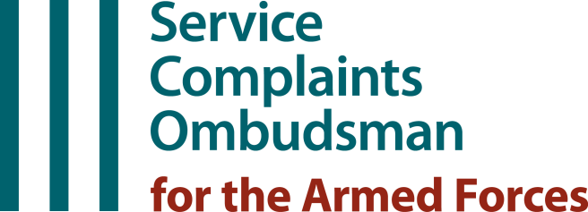

Annual Report 2023
Presented to Parliament pursuant to Section 340(O) of the Armed Forces Act 2006, as amended by the Armed Forces (Service Complaints and Financial Assistance) Act 2015.

Statistical Reference Tables
Feedback Survey - Service Complaints
Tables 3.1 - 3.20
Note: Figures presented in these tables have been produced in the spirit of the Code of Practice for Official Statistics

Issued by: | SCOAF statistics
Tel: | 020 7877 3452

