Cover
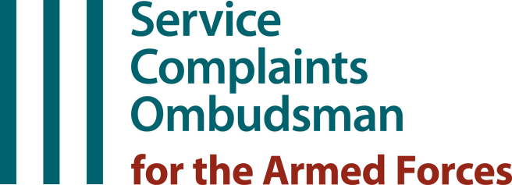

Annual Report 2024
Presented to Parliament pursuant to Section 340(O) of the Armed Forces Act 2006, as amended by the Armed Forces (Service Complaints and Financial Assistance) Act 2015.

Statistical Reference Tables
SCOAF Operations
Tables 1.1 - 1.15

Issued by: | SCOAF statistics

Tel: | 020 7877 3452

